Content Ideas
There are many components of a good wallpaper job, but three are crucial to ensuring a result that looks great and lasts for years: Good Quality Wallpaper, Proper Wall Preparation, the Right Primer, and Skilled Installation Techniques.

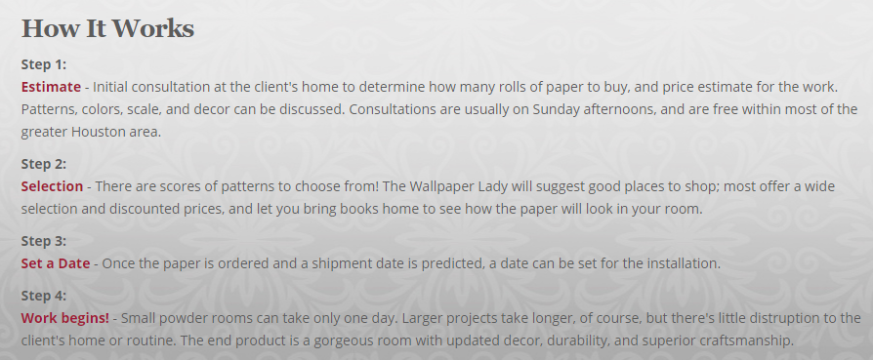

Good Quality Wallpaper, Proper Wall Preparation, the Right Primer, and Skilled Installation Techniques.

Arnold's Wallpaper Instltn is a wallpaper specialist located in Mcallen. They offer services such as wallpapering, wallpaper removal and more.

Ripped Keywords
Keywords
Wallcovering
Commercial & Residential
Wallpaper Installation
Wallpaper Removal
Wallpapers & Wallcoverings-Installation

Professional Wallcovering installers
Murals

Wallpaper Installation
Wallpaper Removal
Wallpaper Repair
Traditional wallpaper
Vinyl wallpaper
Silk cloth
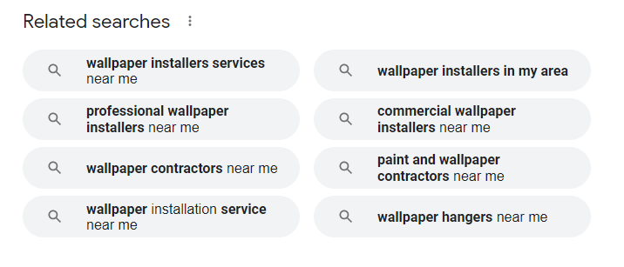
String cloth
Grass cloth
Wall murals
Fabric
Cork
Torn paper
Paintable wallpaper
Border installation
Hand painted paper
Hand trimmed paper
Hand painted canvas and more

Wallpaper
Papel Tapiz
Wallpaper Installation
Wallpaper Services
Professional Wallpaper Installation

Bathrooms & Kitchens
Bathroom Cabinets
Living & Dining Rooms

COMMERCIAL WALLCOVERING INSTALLATION
Residential Wallpaper Installation
Removal of Old Paper

Bedroom Wallpaper
Dining Room Wallpaper
Powder Room Wallpaper
Bathroom Wallpaper
Living Room Wallpaper
Grasscloth Wallpaper
Wallpaper Art
Breakfast Room

Traditional Paper and Vinyl Wallcoverings
Grasscloth
Stringcloth
Silkcloth
Glass Bead and Mica
Murals
Hand-Painted
Hand-Trimmed

